Dashboard
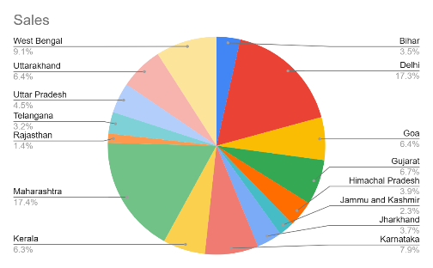
Amazon sales Dashboard 2024
Product-wise units

Sales
% Achieved | 81%
Difference | 19%
Units
% Achieved | 92%
Difference | 8%
# of Cities
% Achieved | 82%
Difference | 18%
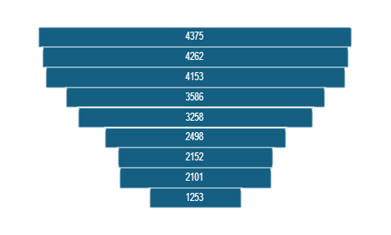

₹1,02,26,625
₹33,874
23

City-wise sales
State-wise sales
 | Total Sales
Agra | 259971
Ahmedabad | 517965
Bangalore | 171788
Cochin | 318710
Darjeeling | 231032
Delhi | 1764426
Durgapur | 188769
Goa | 652865
Hyderabad | 326784
Jodhpur | 143611
Kolkata | 510157
Mumbai | 643215
Mysore | 639673
Nagpur | 534082
Nainital | 655124
Patna | 359030
Pune | 602513
Ranchi | 382835
Shimla | 396905
Srinagar | 234890
Surat | 167707
Trivandrum | 323774
Varanasi | 200799

